Introduction
 | Change Log(v)/ Lastest Change (>) |  | October 25, 2018 - 4:27 | Links
 |  |  |  | Website |  | June 18, 2018 - 15:11 | June 12, 2018 - 23 | June 12, 2018 - 18
All Devices (Portrait & Landscape) |  |  |  | Interactive Demo
Output CSS (Portrait & Landscape) | October 25, 2018 - 4:27 |  |  | Landscape.css
 |  |  |  | Portrait.css
 |  |  |  | GitHub Repo (Software Source Code & Website)

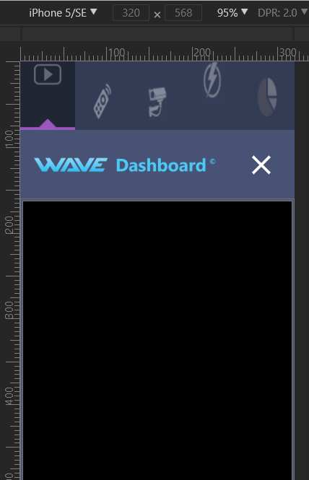

 |  |  |  |  | QC Status

 |  |  |  |  | Poor
 |  |  |  |  | Partial Function
 |  |  |  |  | Acceptable
 |  |  |  |  | A*

TWEAK The UI (Across All Devices) |  | Height (px) | Width
 | min-device-? (logical res. - ____) | -0.5 | -0.5
 | max-device-? (logical res. + ____) | 0.5 | 0.5
 | iframe-container | -5.5 | 0
 | iframe | -6.5 | -1
 | app-div | -13 | -6

Lessons Learn for entry GitHub/ WiKi
You must calculate the logical resolution with the exact (to the decimal place), but when you display it on the style sheet it needs rounding up to work

SCALING (DPI)
only screen and (-o-min-device-pixel-ratio: 13/10) only screen and (min-resolution: 120dpi)

